Sheet1
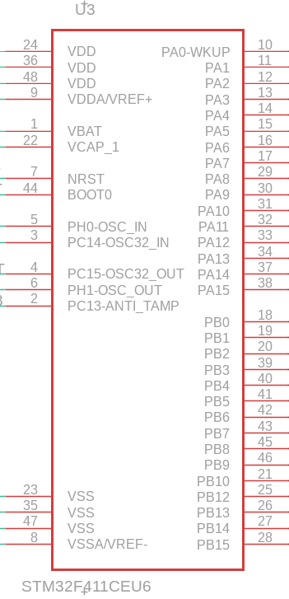
FUNCT | PIN # |  |  | PIN # | FUNCT | USE

 | 24 | VDD | PA0 - WKUP | 10 | TIM5_CH1 | M2ENCA
 | 36 | VDD | PA1 | 11 | TIM5_CH2 | M2ENCB
 | 48 | VDD | PA2 | 12 | UART2_TX | ST-Link
 | 9 | VDDA/VREF+ | PA3 | 13 | UART2_RX | ST-Link
 |  |  | PA4 | 14 | ADC1_4 | photoresistor1
 | 1 | VBAT | PA5 | 15 | ADC1_5 | photoresistor2
 | 22 | VCAP_1 | PA6 | 16 | ADC1_6 | potentiometer1
 |  |  | PA7 | 17 | ADC1_7 | potentiometer2
 | 7 | NRST | PA8 | 29 | TIM1_CH1 | M1
 | 44 | BOOT0 | PA9 | 30 | TIM1_CH2 | M1
 |  |  | PA10 | 31 | TIM1_CH3 | M2
 | 5 | PH0-OSC_IN | PA11 | 32 | TIM1_CH4 | M2
 | 6 | PH1-OSC_OUT | PA12 | 33 |  | spare
 |  |  | PA13 | 34 | SWDIO | Debug
LED | 2 | PC13-ANTI_TAMP | PA14 | 37 | SWCLK | Debug
NC | 3 | PC14-OSC32_IN | PA15 | 38 |  | Speaker | tim2_ch1
NC | 4 | PC15-OSC32_OUT
 |  |  | PB0 | 18 |  |  | spare
 |  |  | PB1 | 19 |  |  | spare
 |  |  | PB2 | 20 | GPIO | Motor Driver Enable
 |  |  | PB3 | 39 | SWO | Debug
 |  |  | PB4 | 40 | TIM3_CH1 | M1ENCA | Kai Check
 |  |  | PB5 | 41 | TIM3_CH2 | M1ENCB | Kai Check
 |  |  | PB6 | 42 | TIM4_CH1 | Servo1 PWM | Kai Check
 |  |  | PB7 | 43 | TIM4_CH2 | Servo2 PWM | Kai Check
 |  |  | PB8 | 45 | I2C1_SCL | LCD DISP | Kai Check
 |  |  | PB9 | 46 | I2C1_SDA | LCD DISP | Kai Check
 |  |  | PB10 | 21 |  | NC
 | 23 | VSS | PB12 | 25 | I/O | fire button1 |  | B12
 | 35 | VSS | PB13 | 26 | I/O | fire button2
 | 47 | VSS | PB14 | 27 | Output | Laser 1 Driving
 | 8 | VSSA/VREF- | PB15 | 28 | Output | Laser 2 Driving

